Sheet2
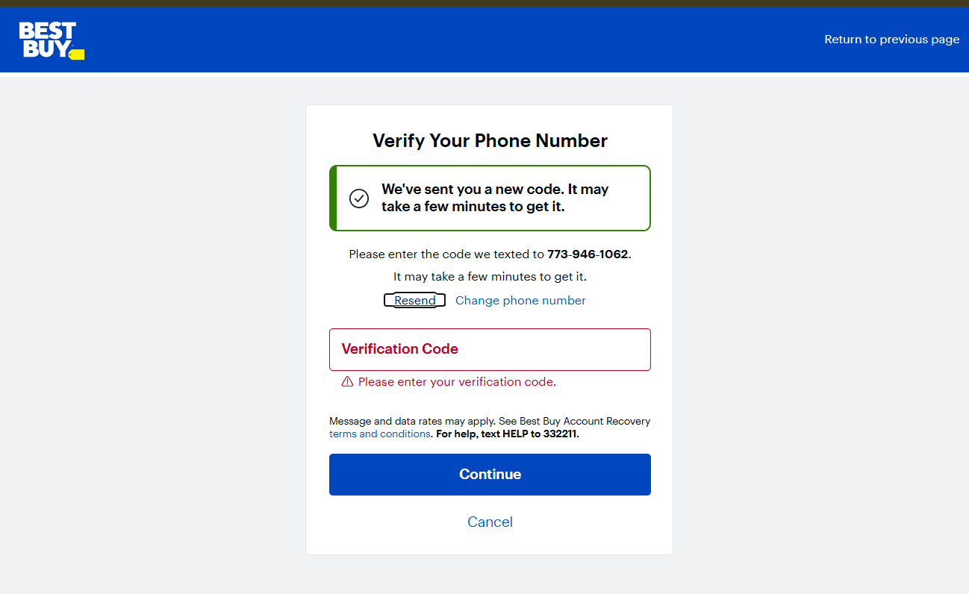
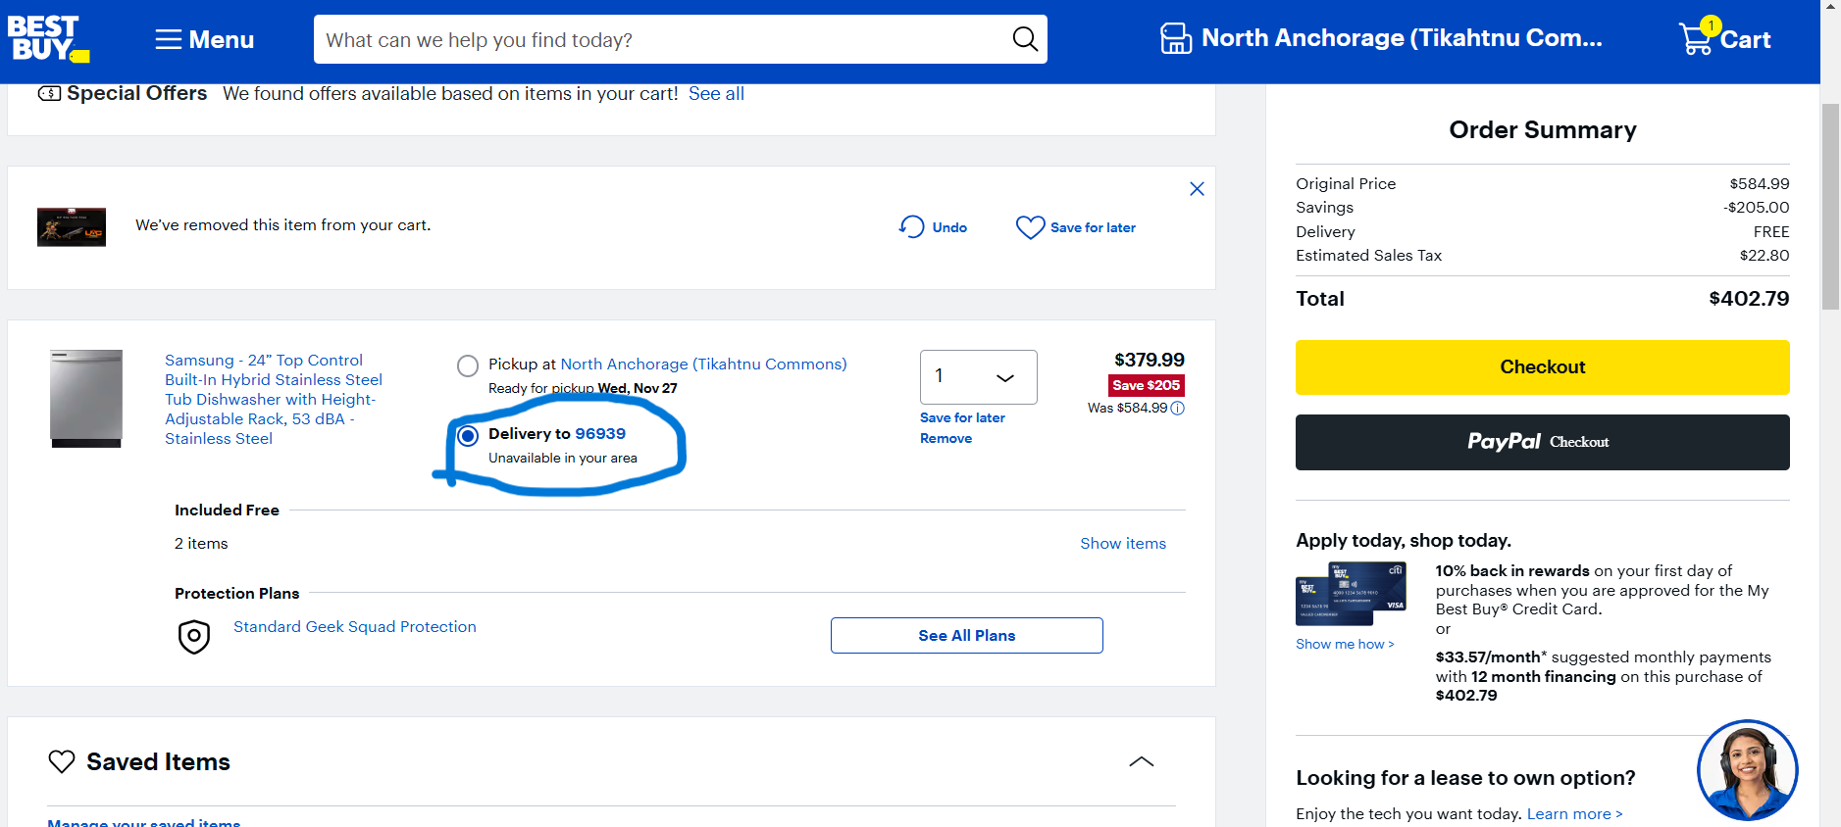
Bug_ID | Bug Description | Pre condition | Steps to reproduce | Expected outcomes | Actual Outcomes | Priority | Status | Executed by | Screenshot/Video
TC_0001 | To verify the working of checkout functionality by creating account | 1) Open the browser 2) Enter the Url-https://www.bestbuy.com/ | 1) Open the browser 2) Enter the Url-https://www.bestbuy.com 3) Click on the create account 4) Fill up all details | Account get created but verification code send in mobile number and second option is shown skip | When account is created verification code is not get mobile number afterthat, I am click on skip and move towards further. | Low | Fail | Puja Kumari
TC_0002 | Verifying delivery address when add different place to delivere the product | 1) Open the browser 2) Enter the Url-https://www.bestbuy.com/ | 1) Open the browser 2) Enter the Url-https://www.bestbuy.com 3) Log with valid credential 4) select samsung Dishwasher 5) View cart and add delivery address | User add address but appliction work on only selected address to delivered product | When users added specific address but not taken user add only show | Low | Fail | Puja Kumari
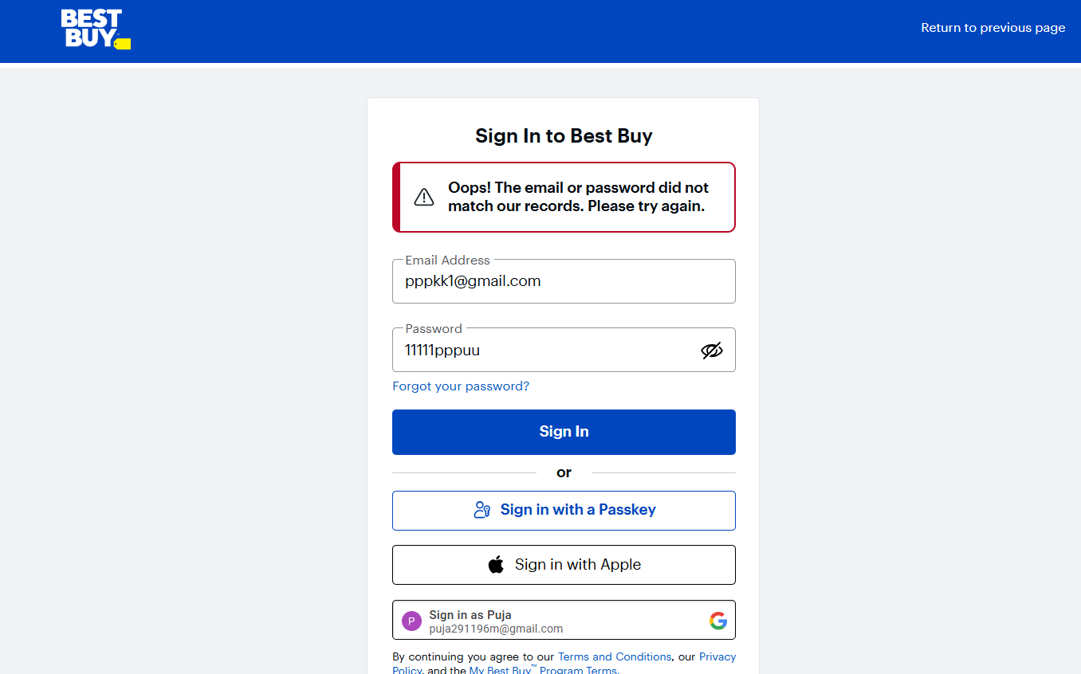
TC_0003 | Verifying add on delivery address and details where users faces diffcuities | 1) Open the browser 2) Enter the Url-https://www.bestbuy.com/ | 1) Open the browser 2) Enter the Url-https://www.bestbuy.com 3) Click on the create account 4) Fill up all details | When add on delivery address and payment selection option get some error | User diffcuit to understand that process take time not easily understandable and cash on delivery available. | Medium | Pass | Puja Kumari
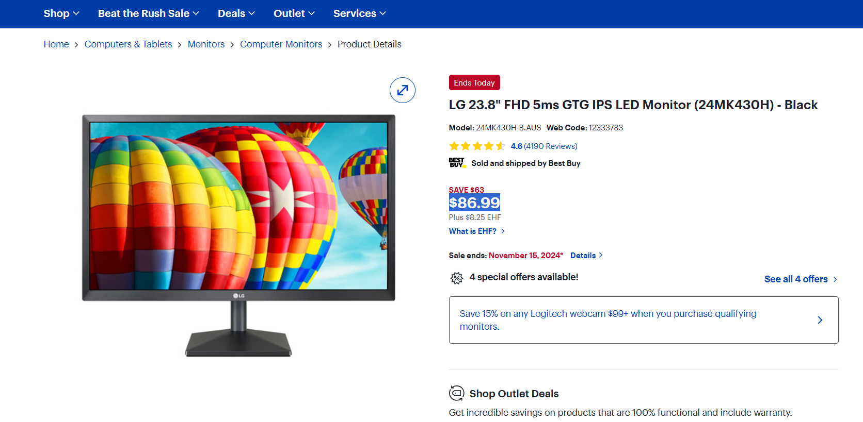
TC_0004 | Verifying the working of checkout functionality adding Invalid email id and password | 1) Open the browser 2) Enter the Url-https://www.bestbuy.com/ | 1) Open the browser 2) Enter the Url-https://www.bestbuy.com 3) Login the application 4) Put on Invalid email-id 5) Invalid password | User should not be able to proceed further | User is able to proceed further | Low | Fail | Puja Kumari
TC_0005 | To verify the working of checkout functionality changing currency of the product | 1) Open the browser 2) Enter the Url-https://www.bestbuy.com/ | 1) Open the browser 2) Enter the Url-https://www.bestbuy.com 3) Login the application 4) Click on the product price 5) Try to change rate of the product | When click on the price of the product price currency try to change. | When click on the price of the product price currency didn't change. | Medium | Fail | Puja Kumari
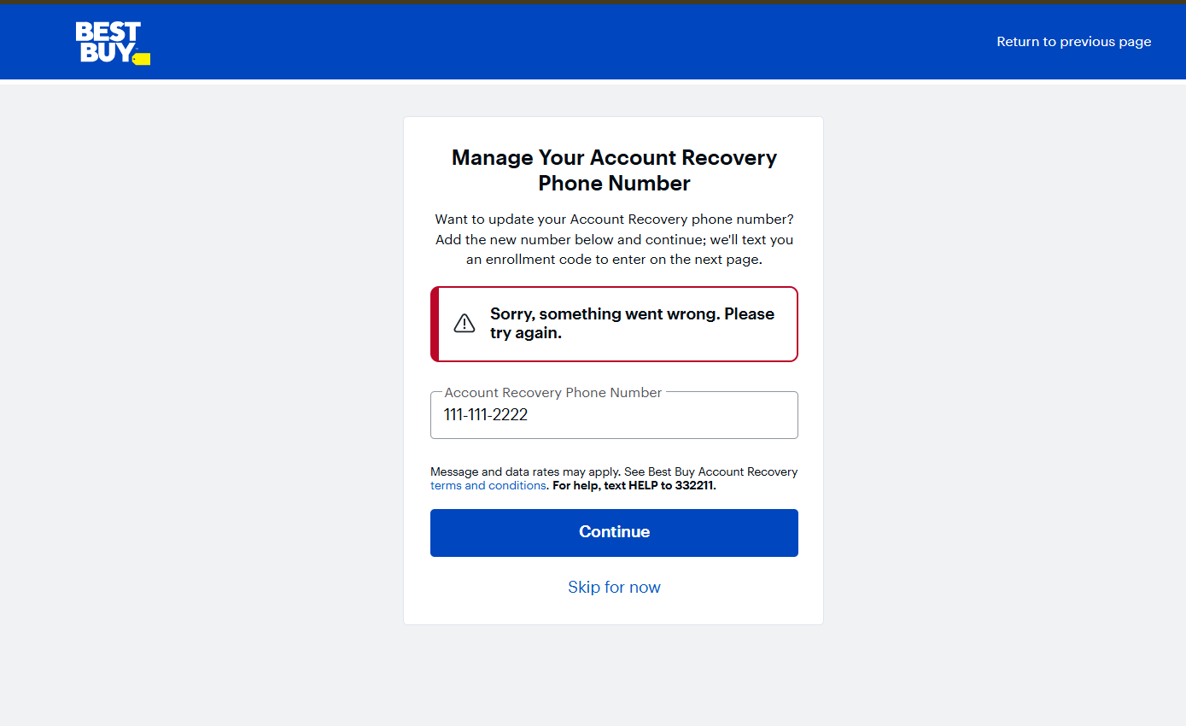
TC_0006 | Verifying the working of checkout functionality with valid email id an Invalid password | 1) Open the browser 2) Enter the Url-https://www.bestbuy.com/ | 1) Open the browser 2) Enter the Url-https://www.bestbuy.com 3) Login the application 4) Put on valid email-id 5) Invalid password | User should not be able to proceed further | User is able to proceed further | Low | Fail | Puja Kumari
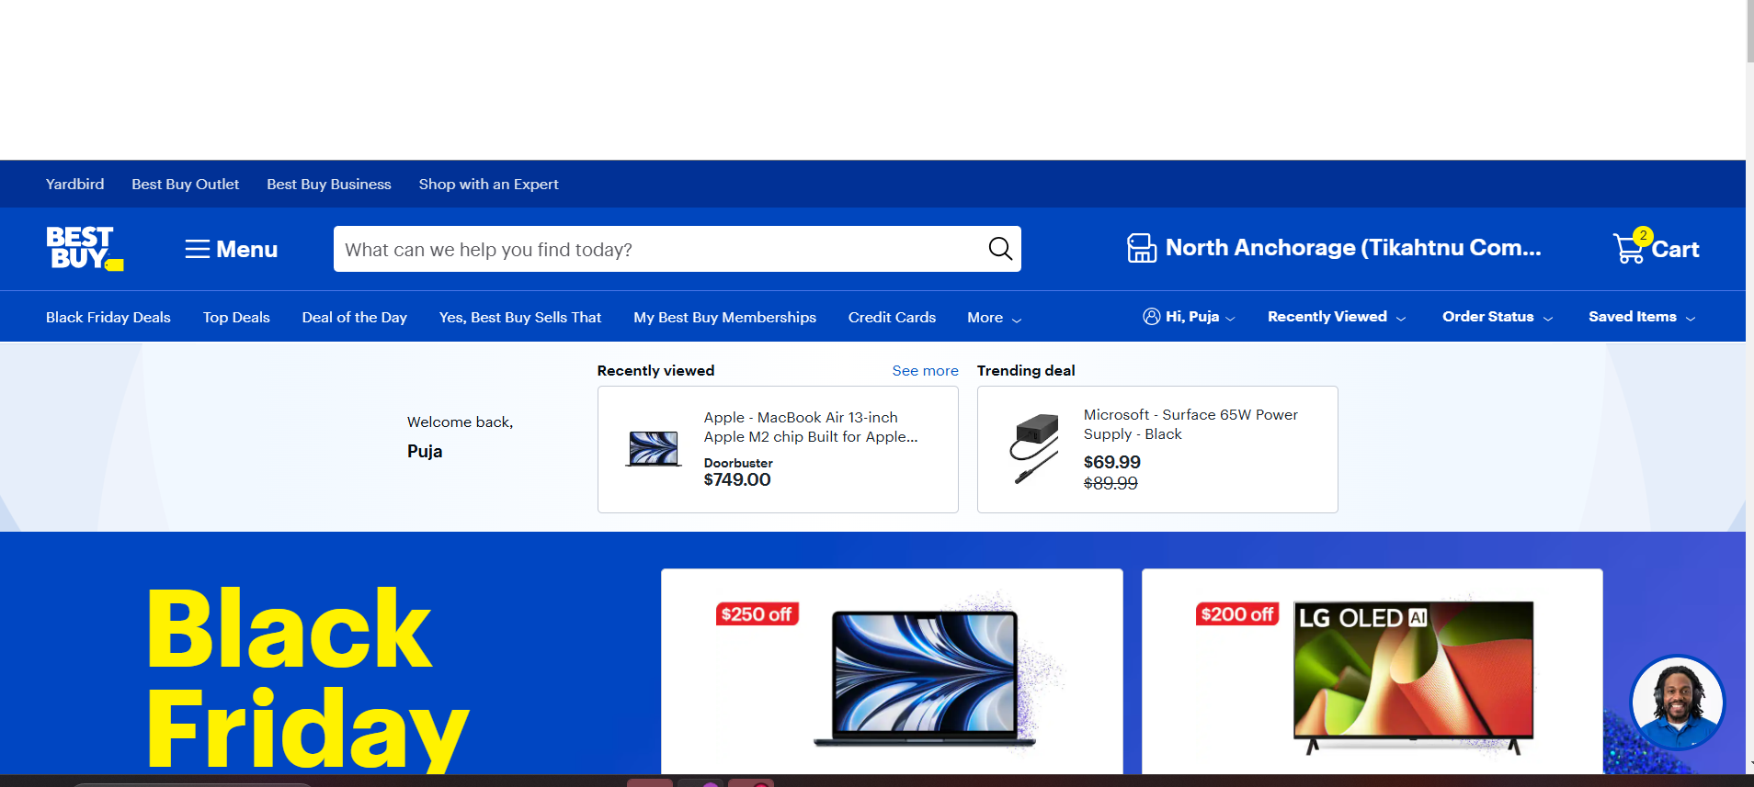
TC_0007 | Verifying the working of checkout functionality with Invalid phone number | 1) Open the browser 2) Enter the Url-https://www.bestbuy.com/ | 1) Open the browser 2) Enter the Url-https://www.bestbuy.com 3) Login the application 4) Put on valid email-id 5) valid password 6) Invalid phone number | User should not be able to proceed further | User is able to proceed further | Low | Fail | Puja Kumari
TC_0008 | Verifying the working of checkout functionality of Scrolling page up and down | 1) Open the browser 2) Enter the Url-https://www.bestbuy.com/ | 1) Open the browser 2) Enter the Url-https://www.bestbuy.com 3) Login the application 4) Go to homepage | Should be able to access checkout page | Should be found white space when scrolling down | Medium | Fail | Puja Kumari
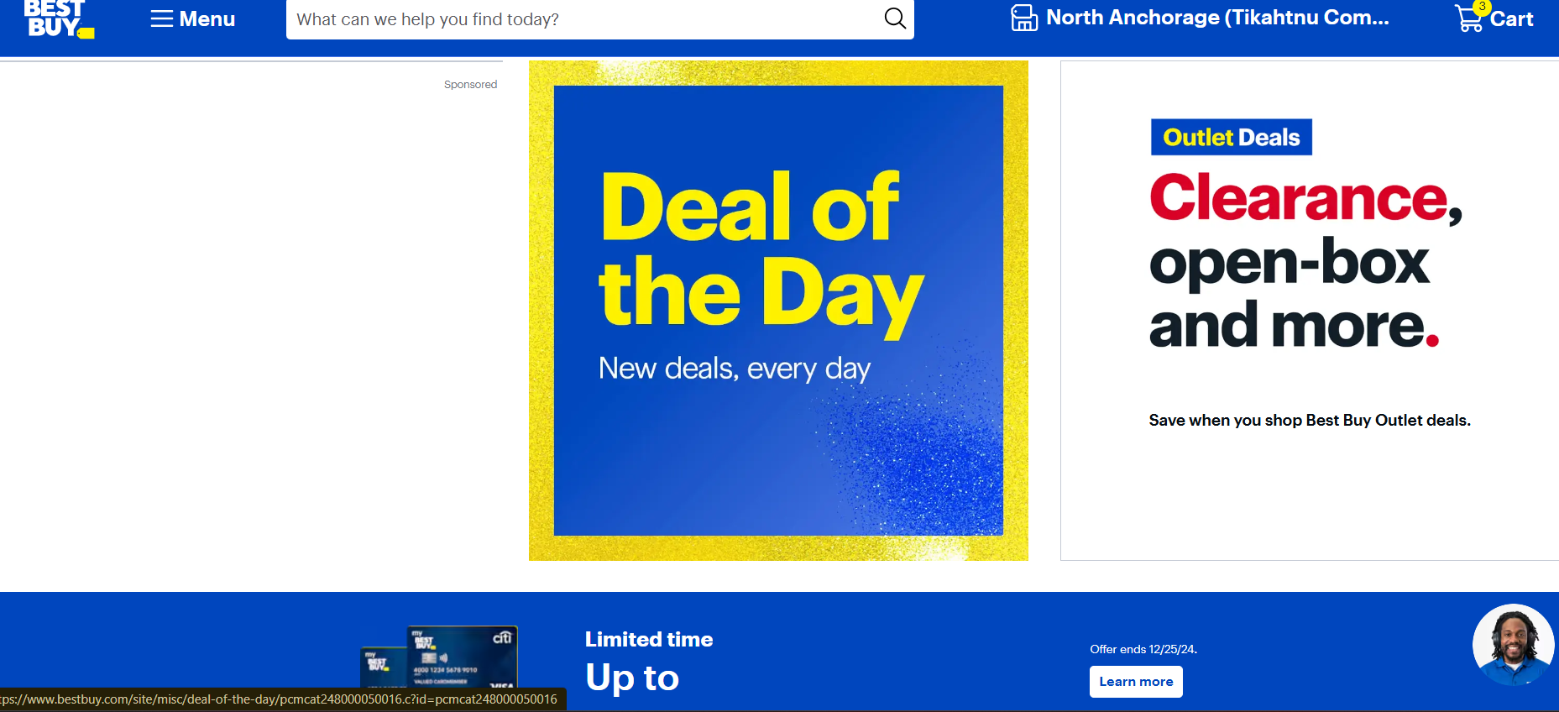
TC_0009 | Verifying the working of checkout functionality by checking that when the checkout page is blank it shows some products suggestion of another product | 1) Open the browser 2) Enter the Url-https://www.bestbuy.com/ | 1) Open the browser 2) Enter the Url-https://www.bestbuy.com 3) Login the valid Id 4) Enter the homegae and check that wheather user is getting some suggestion | User should be able to see some suggestion of variety of products | User is not able to see sugesstion on checkout page | Low | Fail | Puja Kumari
TC_00010 | Verifying the working of checkout functionality by checking that checkout page looks somehow attractive as per the user convience | 1) Open the browser 2) Enter the Url-https://www.bestbuy.com/ | 1) Open the browser 2) Enter the Url-https://www.bestbuy.com 3) Login with valid credentials 4) Search an item and add it to the cart 5) Check that wheather the check out page has proper fulfilled hold | Checkout page should look attractive should bold written words of selected product | It is having only product name and delivery number and no bold words present for the user convenince | Medium | Pass | Puja Kumari

